Sheet1
Bug ID | Title |  | Steps to reproduce | Screenshot | Severty | priority | exp res | Actual res
_001 |  | App Freezes When Loading Indicator Appears, Requires Reopening | 1.open go mini app 2.click on the hamburger icon 3.click on MY trips |  | critical | high | The app should remain responsive during loading events. The loading indicator should disappear after the process completes, and the user should be able to continue interacting with the app. | The app freezes completely when the loading indicator appears. No interactions are possible, and the app remains in a frozen state. The user is forced to close the app and reopen it to resume usage
_002 |  | OTP Verification Fails on First Attempt, Requires Resending Code | 1.open go mini app 2.click on the hamburger icon 3.click on account 4.click create account 5.enter the name and the credintials and your phone number correctly 6.procced with the OTP proccess 7.wait until you can click on the retry send code 8.click on retry send the code 9.enter the OTP you get |  | Major | high | The app should process the OTP correctly on the first attempt. | The app fails to process the OTP on the first attempt. Users must click "Resend OTP," receive a new code, and enter it again for the verification to succeed.
_003 |  | App Freezes on White Screen After Registration, Fails to Redirect to Home Page |  1.open go mini app 2.click on the hamburger icon 3.click on account 4.click create account 5.enter the name and the credintials and your phone number correctly 6.procced with the OTP proccess 7.wait until you can click on the retry send code 8.click on retry send the code 9.enter the OTP you get 10.wait until you directed to home page |  | Critical | High | After successful registration, the app should redirect the user to the home page | The app freezes on a blank white screen. The app does not respond or navigate to the home page. Users must manually close and reopen the app to proceed
_004 |  | Inaccurate Chair Availability on Dashboard | 1.open the app 2.choose pickup station as "Nasr city ,go bus station " 3..choose the arrival station"smouha" 4.choose the date as today 5.click on show trips 6.choose the first available trip 7.combare the available seats in the dashboard and the actual available seats when you book | 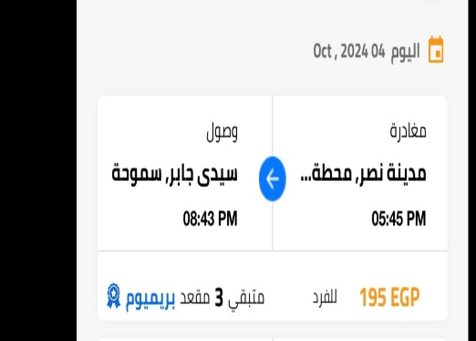 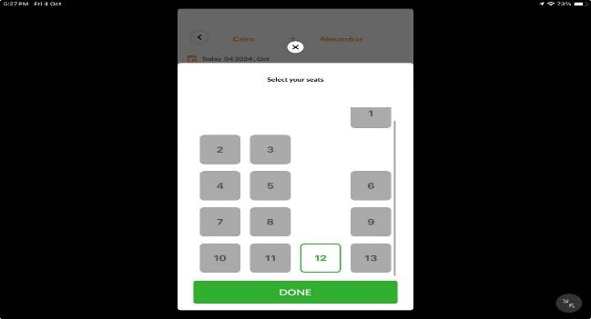 | Major | High | The dashboard should accurately reflect the number of available chairs, ensuring that the number shown matches the actual availability during the booking process. | The dashboard shows three chairs available, but only one chair can be booked during the booking process.
_005 |  | Incomplete Display in Landscape Mode on iPad | Open the GO Mini app on an iPad. Rotate the iPad to landscape mode. Observe how the app’s content is displayed on the screen. Note any areas where the content does not utilize the full width or height of the screen |  | Major | Medium | The app should adjust its layout to fill the entire screen in landscape mode, providing a seamless and complete user experience. | The app does not utilize the full screen in landscape mode, leaving empty spaces or improperly displayed content.
_006

